Assignment 1
Assignment 1: | Sort the employee table by firstname of the employee.

Query: | SELECT * FROM employees ORDER BY FirstName;

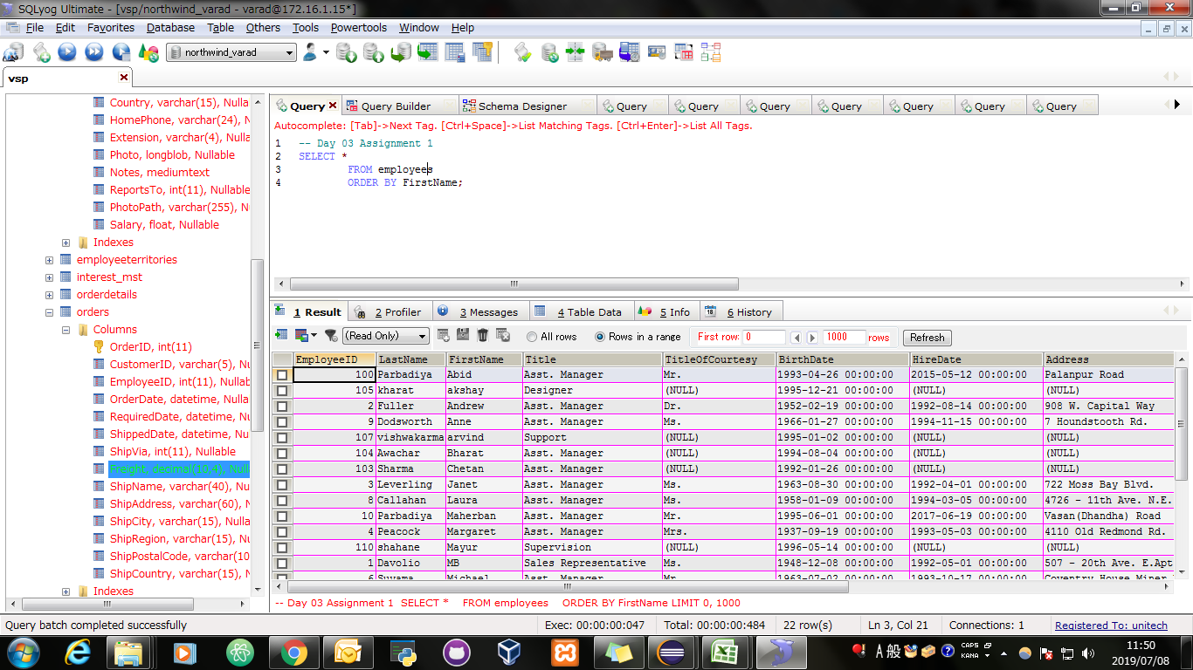
Screen Shoot:

Assignment 2
Assignment 2: | Sort the employee table by firstname and lastname of the employee.

Query: | SELECT * FROM employees ORDER BY FirstName,LastName;


Screen Shoot:

Assignment 3
Assignment 3: | Select both productname and unitprice from products table in descending order.

Query: | SELECT NAME,price FROM Products ORDER BY NAME,price DESC;

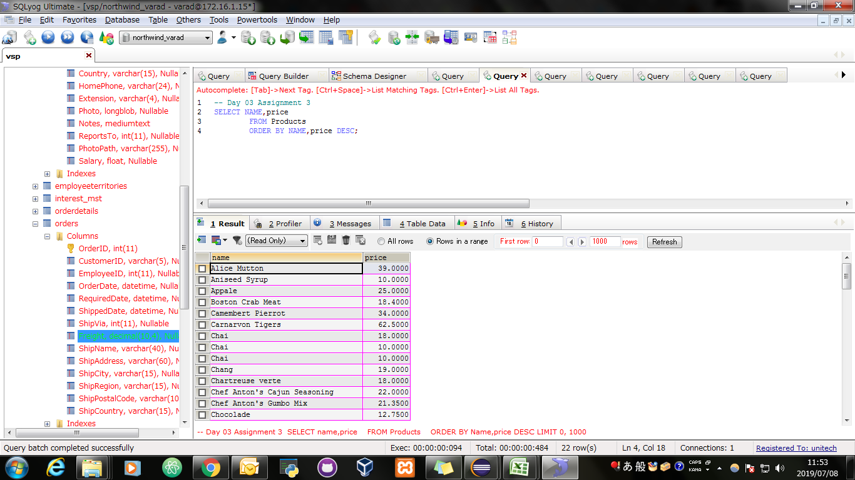
Screen Shoot:

Assignment 4
Assignment 4: | Display product name, unit price, and a 20% increase in the unit price for only those products for which the percentage increase in unit price is greater than 30 and in descending order of the increased price.

Query: | SELECT NAME, price, IF((0.2*price)>30, price+price*(20/100),price ) AS increasedPrice FROM products ORDER BY increasedPrice DESC;

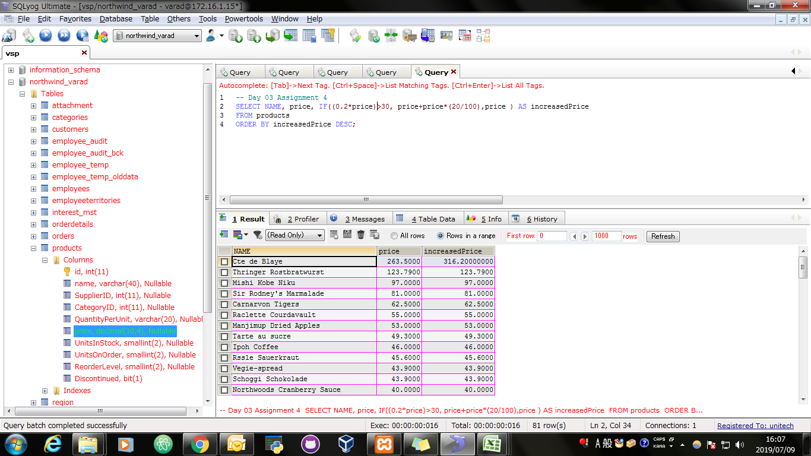
Screen Shoot:

Assignment 5
Assignment 5: | Display number of employees with "Sales Representative" title.

Query: | SELECT COUNT(EmployeeID) AS "Number Of Employees With Sales Representative Title" FROM employees WHERE Title = "Sales Representative";

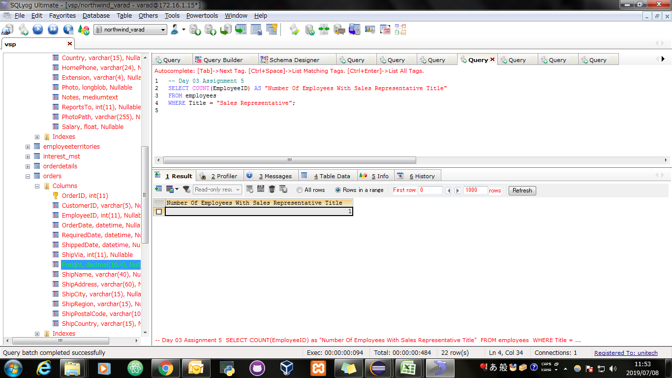
Screen Shoot:

Assignment 6
Assignment 6: | Display total number of employees in all the department.

Query: | SELECT COUNT(EmployeeID) , Title AS "Department" FROM employees GROUP BY Title;

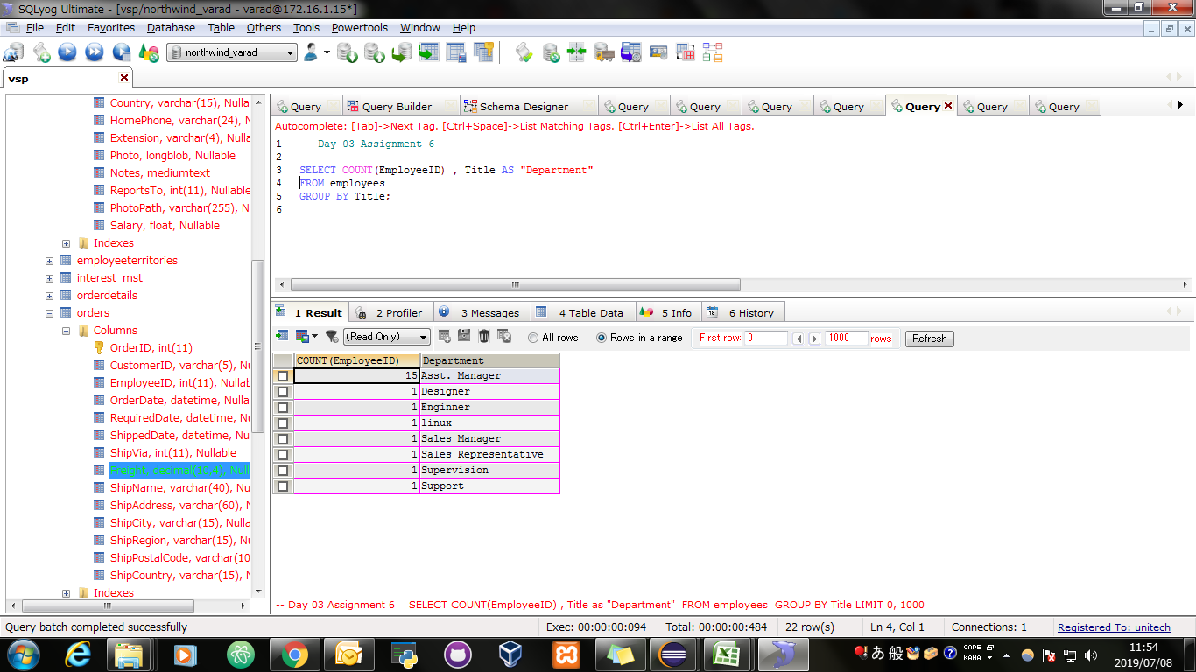
Screen Shoot:

Assignment 7
Assignment 7: | Select all distinct titles from employee table.

Query: | SELECT DISTINCT Title FROM employees;

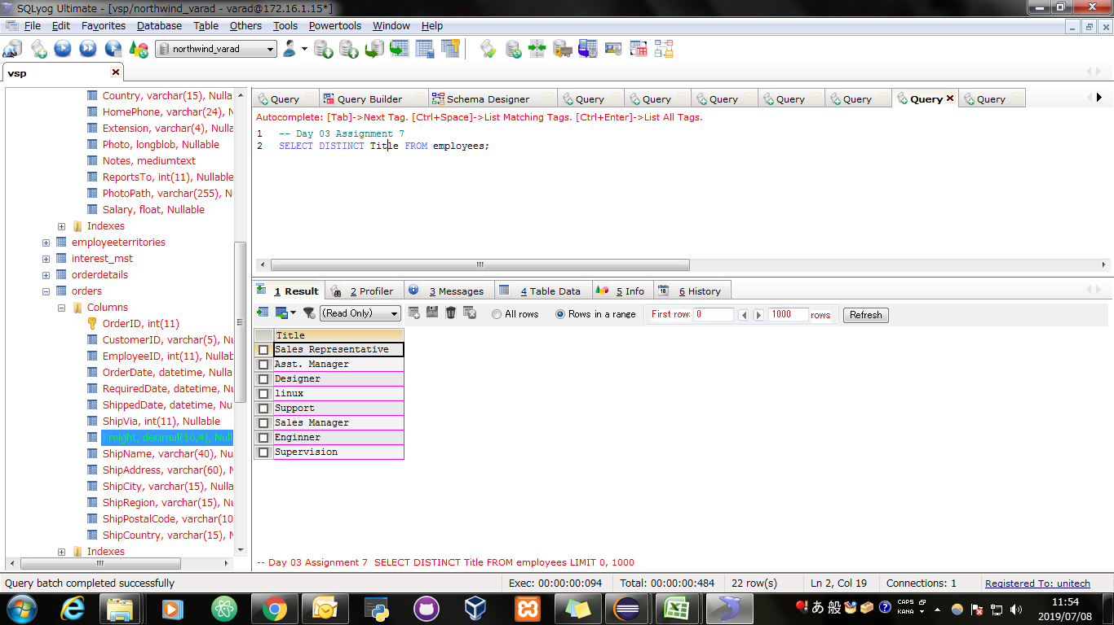
Screen Shoot:

Assignment 8
Assignment 8: | Get the count of employees with unique title.

Query: | SELECT DISTINCT COUNT(Title) AS "Number Of Employees",Title FROM employees GROUP BY Title;

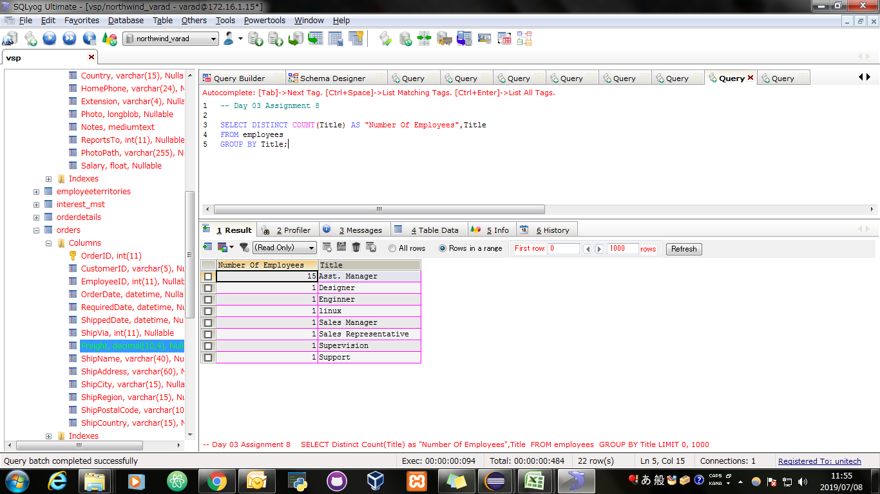
Screen Shoot:

Assignment 9
Assignment 9: | Get the most expensive product.

Query: | SELECT *, MAX(price) AS maxPrice FROM Products GROUP BY price DESC LIMIT 1

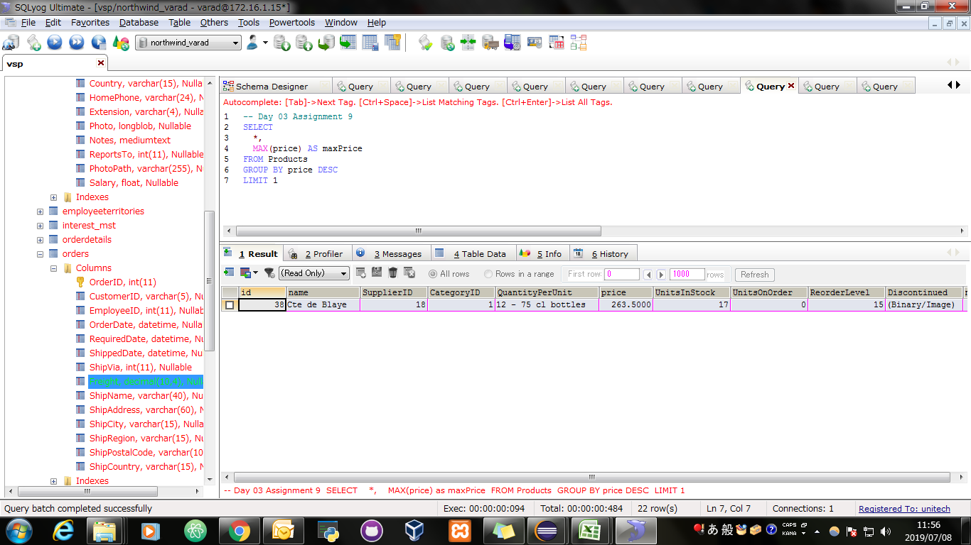
Screen Shoot:

Assignment 10
Assignment 10: | Get the product with minimum stock.

Query: | SELECT * FROM Products WHERE UnitsInStock = (SELECT MIN(UnitsInStock) FROM Products);

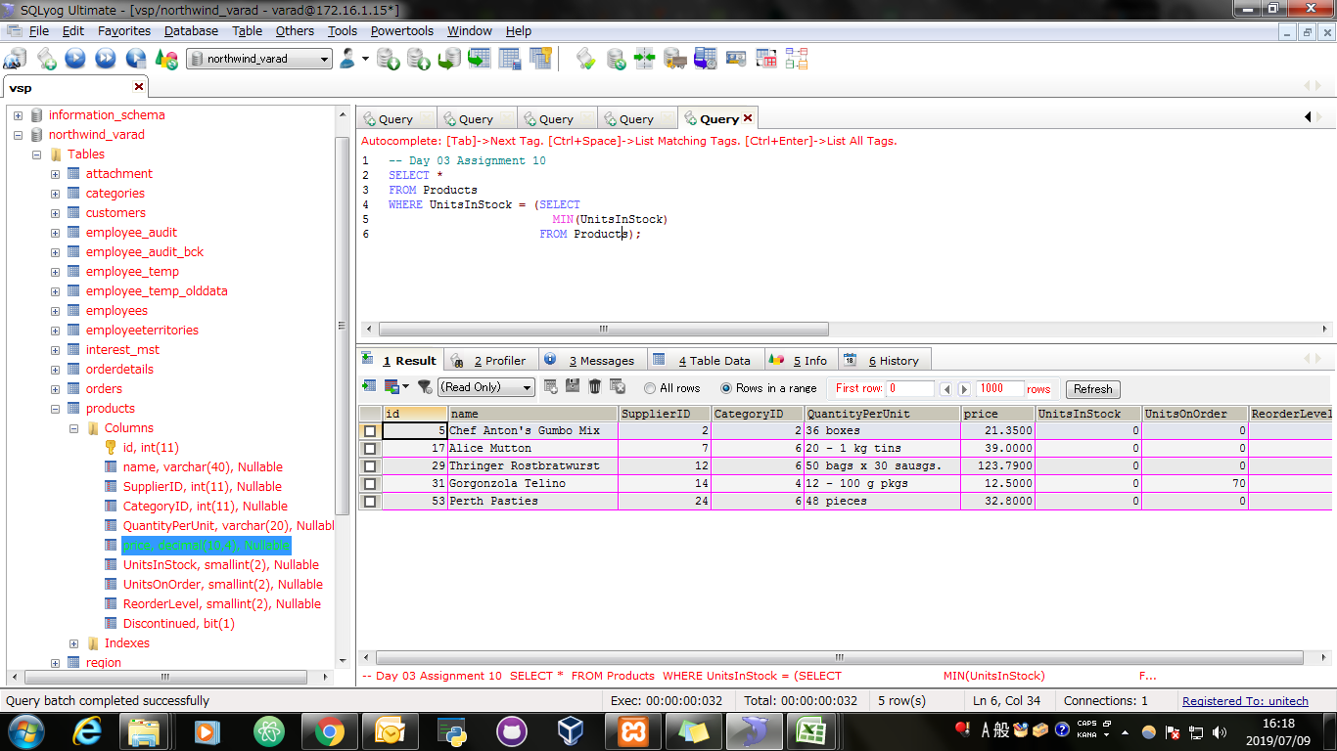
Screen Shoot:

Assignment 11
Assignment 11: | Get the average freight price for all the orders shipped to ShipCountry USA

Query: | SELECT AVG(Freight) AS "Average Freight Price For All Orders To ShipCountry USA" FROM orders WHERE ShipCountry = "USA";

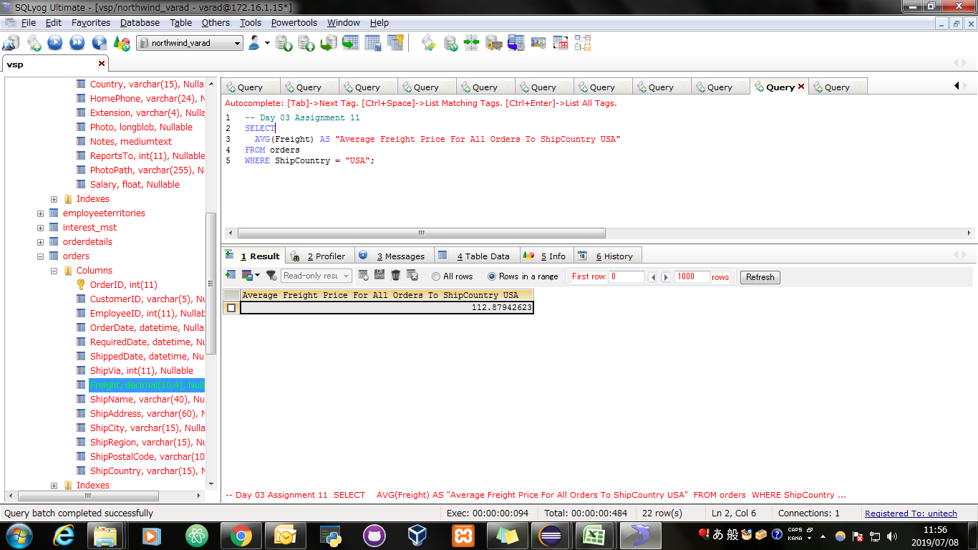
Screen Shoot:

Assignment 12
Assignment 12: | Get total freight expense in July 1996 from Order table

Query: | SELECT SUM(Freight) AS "Total Freight Expense In July 1996" FROM orders AS O WHERE YEAR(O.ShippedDate) IN (1996) AND MONTH(O.ShippedDate) IN (07);

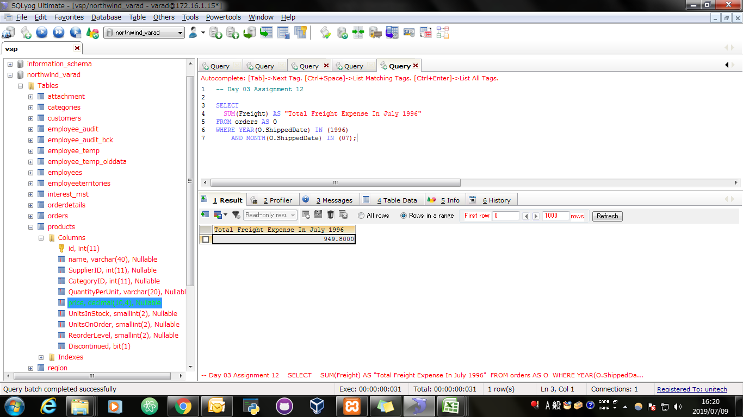
Screen Shoot:

